OMB A-136 COVID Requirements
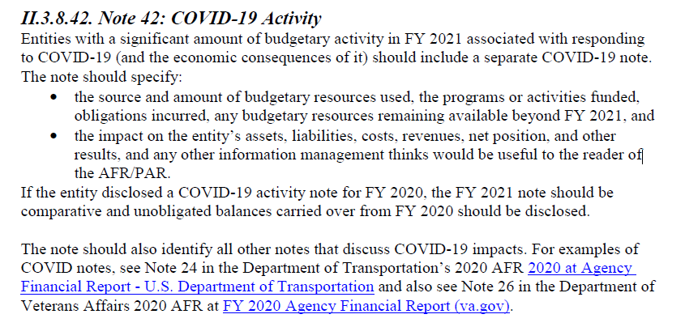
Footnote: FY 2021 OMB A-136 Verbiage

